Closed 2017
Closing Date | Acers | Seller, Address | APN # | Assets
2018-01-08 | 97.27 | Dessel | 126-770-007 (19.60AC) | 1 house | KAW13S
 |  | 11108 Ave | 126-230-034 (77.67AC) |  | KAW13S
 |  | Tulare ID

2018-01-10 | 305.76 | John Newton | 026-340-026 (35.8 AC) |  | SID 32
 |  | Traver/Stratford - Manteca Ave | 026-340-027 (269.96 AC)
 |  | Kings

2018-03-01 | 67.03 | Heskett Real Properties | 026-340-036 |  | Building South of SID 21S
 |  | 19813 Madison Ave | 026-340-050
 |  | Stratford
 |  | Kings
2018-03-09 | 124.46 | Cecilio Arredondo | 026-190-036 | 2 houses | SID 16W
 |  | 19726 Laurel Ave | 026-190-027 |  | SID 16W
 |  | Stratford | 026-190-028 |  | SID 16W
 |  | Kings | 026-190-029 |  | SID 16W
 |  |  | 026-190-023 |  | SID 16W
 |  |  | 026-190-010 |  | SID 16W
 |  |  | 026-190-030 |  | SID 16W
2018-03-15 | 3.3 | City of Wasco | 487-250-32
 |  | F Street
 |  | Kern

2018-04-18 | 66.12 | Laurence & Dana Fink Family Trust | 195-120-024 | 1 farm house, 1 well, 1 pump | KAW9S
 |  | 13677 Ave 228
 |  | Tulare

2018-05-09 |  | Carlton Duty | 018-261-048 |  | LCH18SW
 |  | Kings | 024-190-003 | 3 | WL26N
 |  |  | 024-190-029 | 29 | WL26N
 |  |  | 024-190-055 | 55 | WL26N
 |  |  | 026-060-004 |  | LC3NW
 |  |  | 026-060-010 |  | LC3SE
 |  |  | 026-070-009 |  | LC2W
 |  |  | 026-070-015 |  | LC2W
 |  |  | 026-070-016 |  | LC2W
 |  |  | 026-090-049 |  | SID 10NW
 |  |  | 026-090-050 |  | SID 10NW
 |  |  | 028-010-010 |  | LCH 24W
 |  |  | 028-010-038 |  | LCH 24W
 |  |  | 028-010-039 |  | LCH 24W
 |  |  | 028-140-004 |  | KGS 33SW
2018-06-20 | 7.57 | George Armstrong | 026-190-026 |  | SID 16W
 |  | 20th Ave
 |  | Stratford
 |  | Kings
2021-01-01 | 937 | Charlie Meyer |  |  | ?
(Note)

2018-07-12 | 55.74 | Pires | 021-660-011 |  | HM04W
 |  | 11384 19 1/2 Ave
 |  | Kings
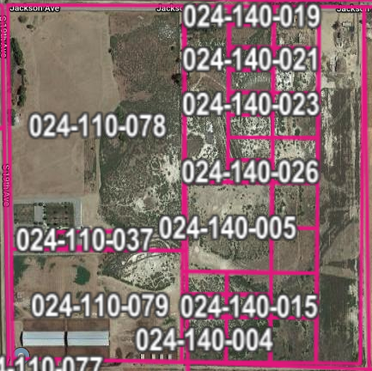
2018-07-12 | 102 | Pires | 004-010-007 |  | LID 5N | Laguna Irrigation District
 |  | 28485 Excelsior Ave.
 |  | Kings

2018-07-26 | 10 | Jonathan P. Dippert | 024-140-005 |  | x | Jackson Ave & S 19th St.
 |  |  |  |  |  | No Field Found
 |  | Hanford |  |  |  | East of WLLC29NE
 |  | Kings
2018-10-04 | 40.7 | Wendy Stone | 026-090-002 | 1 house | SID9N
 |  | 19717 Kansas Ave
 |  | Lemoore

2018-12-21 | 40 | Brenda & David Roberts | 026-090-019 |  | SID10NE
 |  | 18482 King Ave

